Intention Sheets Explained
Intention Sheets for the National Pathway

Intention sheets are a vital part of competition day — they ensure that judges are fully prepared for the routines they are assessing. Clear, accurate information allows for fair, efficient judging and helps competitions run smoothly.

🔸 All routines must have an intention sheet submitted, except for:

Level 10

Level 9

Vault and Bars Level 8
These levels follow set routines only, so no intention sheet is required.

✅ Please make sure your completed intention sheets are submitted to the judge before warm-up begins. Incomplete or missing sheets may delay your gymnast’s routine or affect scoring clarity.

✅ Coaches must enter the BLUE boxes - the RED boxes are for judges to fill in.

How to amend the new sheets:

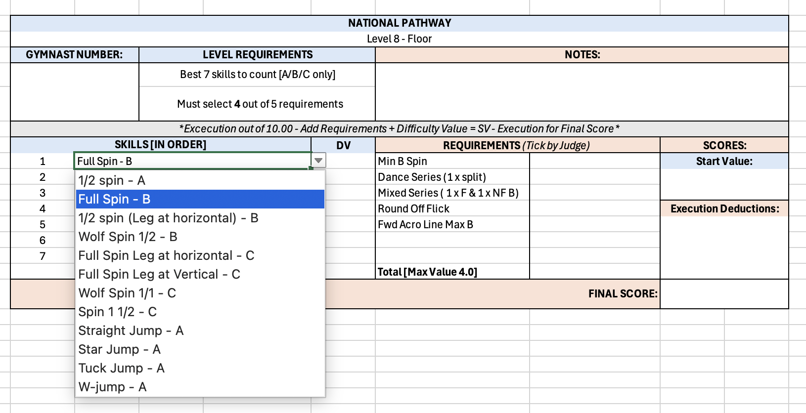

Please use the arrow selection to select the skills that you can add for each level - Please note skills not in this selection cannot be used! Please also use the option list to add your DV to the sheet.

